Features
Sr.No |  | Module | Sub-Item | Process | Vannity Estimation (hours) | Your Estimation (fill in hours)
1 |  | Create Database
 |  | Need to create database for whole project |  | before to start project we will create complete project database and relationship for database | 6 | X

2 |  | Splash Screen
 | 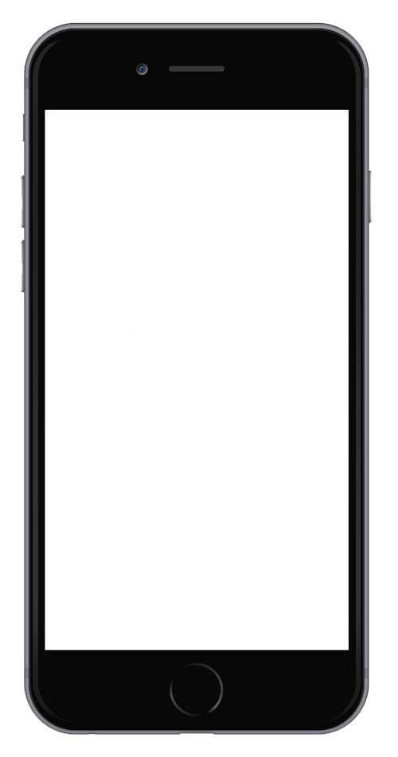  | Splash Screen | •Logo appears 3-5 seconds as the app loads | Display Logo for 3-5 second | 2 | X

3 |  | Registration, Login Process and Forgot Password
 | 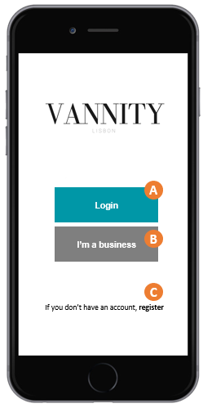 | C. Register | User can register via own email address including below fields - Name in the app ( eg. John Michael ) - Location (Dropdown list) - Phone Number ( 9 digits only) - Email - Password - Friend Code | - If user registration using email address, our system will send activation/confirmation link on email to verify user email. -Friend code is a code generated that people can give to each other to earn points -user will earn points | 11 | X
 |  | C. Register (with social media - facebook ) | - Register using facebook ask for: name, email, location, age, and user photo | - For social login no need to verfiy email if user allow us to access, if user not allow us to access email from social we will ask to email and need to do verify process. | 14 | X
 |  | A. Login | Login using email or social which way user register | - Either user can login using email or social -ask for permition to give notification and use location | 10 | X
 |  | A. Forgot Password (in the login section) | Forgot Password | - we take email from user and if email is valid in our database we can send change password link into email so they can change password. | 7 | X
 | 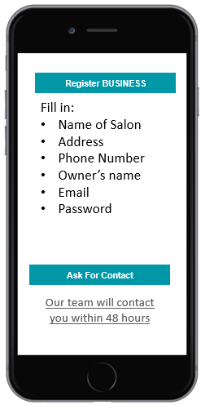 | B. Register a business | Businesses can fill the information and ask for a contact of our team | email is sent to our team with the information filled by the user asking to register a business (email must be changeable) | 5 | X

4 |  | Home Screen Environment
 | 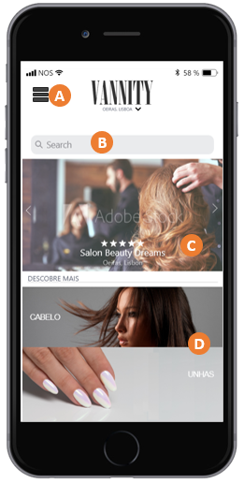 | Home Screen Environment, Search Bar and Menu | A (Menu): Opens a sidebar menu while mantaining Home screen in back B (Search Bar): By taping the search bar the user goes into a search menu (pop down) C (Featured Salons): Side scroll list with images background, salon rating, name and location. Managed manually in the Web Admin Panel D (Types of Services): Links to another screen of Listings of salons sorted by type of services. (e.g. if you click "Hair" to sortings lists of salons by service type We intend to have X services: Hair, nails, hair removal, Massage, Makeup, Barber & Male Grooming, Spa and Freelancer. -Add a Bottom Banner for advertisement | -main environment where user can explore all Listings -bottom advertisement banner must be manageable in web panel | 20 | X
 |  | B. Search by | search by -City - Saloon Name - Service type (eg. Nails) | -search by best match to the words searched by user | 8 | X
 |  | B. Sort by (Inside the search results) | Sort by - Rating - Distance(Location) - Average Price | give option in listing for sort by | 8 | X
 | 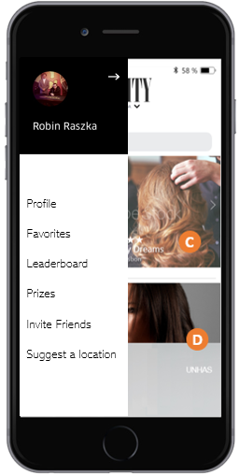 | A. Menu | -Profile: User can manage a very basic profile feature to change picture, name inside the app, location, gender, age, enable or disable push notifications (Completing the profile info will earn points in the gamification system) -Favorites: Shows a list of the places the user has favorited. -Leaderboard: shows the top 50 users with the most points -Prizes: Shows Current prizes being awarded to users. -Invite Friends: generate a code that can be given to friends when they register (Users that give codes to friends will earn points when their acounts are verified) -Share in facebook: share a linked post to registration that says "I'm on Vannity, check it out!" sharing will give points to user -Suggest a location: will redirect to register a business screen, described previously | -push notifications will be asked in the beggining and can be disabled in the user profile -prizes must be manageable in the Web panel | 12 | X
 | 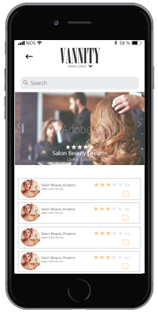 | D. Listings of Types of Services | -Featured area above Saloon listing base on search perameter - Name - Image - Rating - Address -Add Bottom advertisement banner | - list of saloon base on user search paramter - Featured saloon will be display first. (the featured salons are different from featured in Home Page) -Note: a salon can be in more than one type of service listing (e.g. Providing haircuts and nail services or massages) | 10 | X

5 |  | Salon Profile
 | 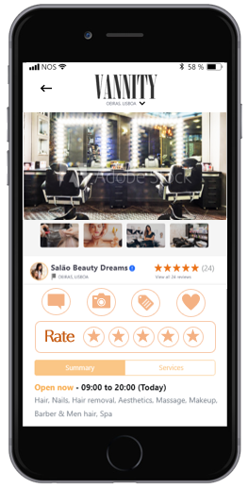 | Saloon Profile | Saloon Profile Contains: - Main Picture and other pictures (side scroll) - Other smaller pictures (uploaded by users) -Salon Rating (Average of ratings users provide) -4 Icons: Review (Gives points to user) Upload Picture of Service;(Gives points to user) Upload Picture of Price list;(Gives points to user) Save in Favorites -Rate with 1 to 5 stars (Gives points to user) -Scroll Down to see other information: Phone Number, Prices, Location, Open hours, Reviews Given, etc -API to redirect salon phone number to call in phone or open Whatsapp Conversation. -API to open location in Google Maps or other navigation app. -Link to contact Vannity's Team (if information needs to be updated etc) | -Reviews given by users appear in the salon's profile (max 150 characters) -Information on page is only manageable in the Web Admin Panel -ask for permission to access camera or photo library, phone, location (if not given previously) | 30 | X

Total |  |  |  |  | 143 | 0

